Expiration Dates
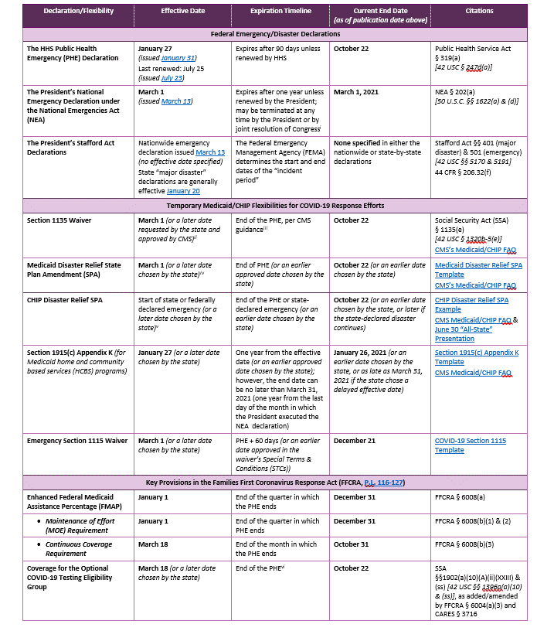
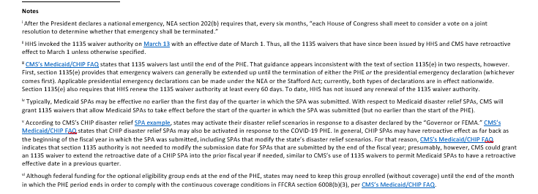
Emergency Medicaid Authorities Flexibilities Unwinding Analysis
Updated as of July 28, 2020
Full table available here: | https://www.shvs.org/federal-and-state-declarations-and-flexibilities-supporting-medicaid-and-chip-covid-19-response-efforts-effective-and-expiration-dates/

